coverage
FUTURE MANPOWER COVERAGE BASED ON TOTAL BOILERS INSTALLED BY 20/01/2021
 | Routine Maintenance | Corrective Maintenance
A | 100% | 20%
B | 100% | 14%
C | 0% | 0%
D | 100% | 24%

techniciasn
Future proportion of trained technicians by boiler by 20/01/2021
 | Trained Technicians
A | 100%
B | 75%
C | 0%
D | 87%

 | Routine Maintenance | Corrective Maintenance | Idle
Tn | 84% | 14% | 2% | 100%
Tn-1 | 60% | 30% | 10%
T3 | 80% | 10% | 10%
T2 | 80% | 2% | 18%
Monthly distribution of manpower workload assigned
T1 | 90% | 5% | 5%

Sheet3
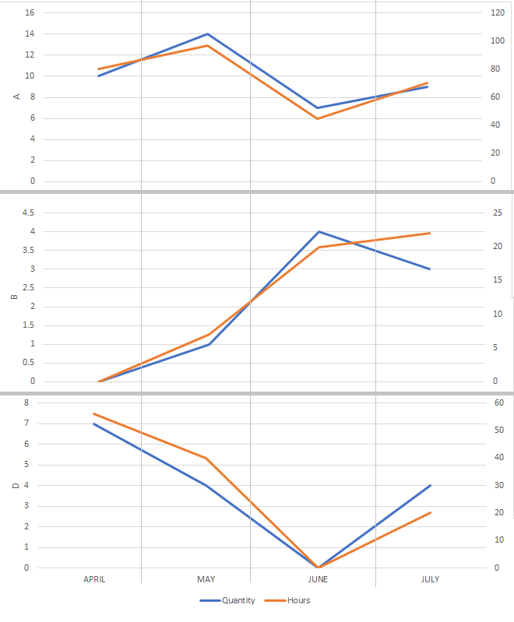

MONTH | Quantity | Hours
APRIL | 10 | 80
MAY | 14 | 97
JUNE | 7 | 45
JULY | 9 | 70

Sheet4
 | Distribution of customers
Builders | 5
Particulars | 4

 | Distributions of buildings
Builders | 17
Particulars | 4

 | Distribution of installed boilers
A | 22
B | 16
D | 2

